样品表
序号 | Image | 图片说明 | SKU | 中文名称 | 供应商 | 供应商链接 | 进货价RMB | 库存数量 | 产品说明 | 英文描述 | 相关链接 | 运费1 | 运输方式1 | 运费2 | 运输方式2 | 运费3 | 运输方式3 | 运费4 | 运输方式4 | 毛重-KG | 净重-KG | 包装 | 包材价格RMB | 包材重量G | 费用合计1 | 费用合计2 | 费用合计3 | 费用合计4 | FBA费用合计 | SMT卖价 | SMT利润 | SMT利润率 | eBay US/motor卖价 | eBay US/motor利润 | eBay US/motor利润率 | eBay UK卖价 | eBay UK利润 | eBay UK利润率 | AMZ US卖价 | AMZ US利润 | AMZ US利润率
1 | 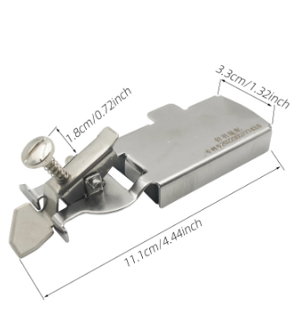 |  | DG65100100 | 新款多功能磁铁定规挡边XIN-01 1个 |  | https://detail.1688.com/offer/704237485252.html | 9.3 | 2 |  | Features: 100% Brand New. This seam guide can be firmly fixed on the desktop of the sewing machine, improving the efficiency of clothing production and helping to organize the fabric, making the stitching straighter, more accurate, uniform, and preventing curling. Built in strong magnet with strong magnetic force, allowing for easy installation and disassembly without the need for tools or screws. It is very convenient to use, and the magnetic seam guide is a good helper for beginners in sewing. This product is suitable for all sewing machines and is widely used in the clothing industry and home sewing work. Material:metal Color:Silver Size: 11.1*3.3cm Package list: 1 x Magnetic Seam Guide Note: 1.Please allow 0.1-2cm error due to manual measurement. 2.The color may have different as the difference display, pls understand. | https://www.aliexpress.com/item/1005006139672758.html https://www.amazon.com/dp/B0CDGD2QPB/ | 28.29 |  | 10.67 |  |  |  |  |  | 0.135 | 0.127 | 1 | 0.22 | 8 | 37.81 | 20.19 | 9.52 | 9.52 | 33.98 |  | -20.19 | #DIV/0! |  | -37.81 | #DIV/0! |  | -9.52 | #DIV/0! |  | -33.98 | #DIV/0!
2 | 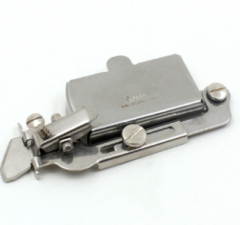 |  | DG65100200 | 多功能磁铁定规XIN-02 1个 |  | https://detail.1688.com/offer/705194335953.html | 9.3 | 2 |  | Features: 100% Brand New. This seam guide can be firmly fixed on the desktop of the sewing machine, improving the efficiency of clothing production and helping to organize the fabric, making the stitching straighter, more accurate, uniform, and preventing curling. Built in strong magnet with strong magnetic force, allowing for easy installation and disassembly without the need for tools or screws. It is very convenient to use, and the magnetic seam guide is a good helper for beginners in sewing. This product is suitable for all sewing machines and is widely used in the clothing industry and home sewing work. Material:metal Color:Silver Size: 11*3.2cm Package list: 1 x Magnetic Seam Guide Note: 1.Please allow 0.1-2cm error due to manual measurement. 2.The color may have different as the difference display, pls understand. | https://www.aliexpress.com/item/1005005664902860.html https://www.amazon.com/dp/B0CC5K9Q4Q/ | 29.37 |  | 36.14 |  |  |  |  |  | 0.141 | 0.133 | 1 | 0.22 | 8 | 38.89 | 45.66 | 9.52 | 9.52 | 34.19 |  | -45.66 | #DIV/0! |  | -38.89 | #DIV/0! |  | -9.52 | #DIV/0! |  | -34.19 | #DIV/0!
3 | 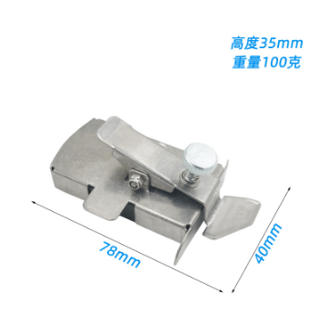 |  | DG65100300 | 款多功能磁铁定规XIN-03 1个 |  | https://detail.1688.com/offer/736122862308.html | 6.8 | 2 |  | Features: 100% Brand New. Magnetic Seam Guide This is a third-generation magnetic seam guide, and the sewing guide plate has been upgraded with a magnetic design, which is more convenient to use. Multiple functions This sewing guide ruler set can be used for hemming, straight line sewing, buttonholes, gathering stitches, and marking cloth patterns. You can quickly complete various sewing operations. Upgrade Design This magnetic seam guide is made of environmentally friendly stainless steel material, which is durable and not easy to break. The unique transparent design allows you to see the needle position more clearly, so as to ensure the accuracy of sewing. Easy to Install This sewing machine hemming guide is easy to install and remove, and the sewing guide ruler can be firmly fixed on the sewing machine by magnetic absorption, which can save time and improve work efficiency. Application This sewing guide is suitable for various sewing machines, such as household sewing machines, overlock machines, etc. It is an ideal sewing tool for beginners, amateurs and professionals. Material: metal Color:Silver Size: 78*40mm Package list: 1 x Magnetic Seam Guide Note: 1.Please allow 0.1-2cm error due to manual measurement. 2.The color may have different as the difference display, pls understand. | https://www.aliexpress.com/item/1005006116107277.html https://www.aliexpress.com/item/1005006116769303.html https://www.amazon.com/Magnetic-Machine-WENICE-Accessories-Magnets/dp/B0CJHNDKBY/ | 24.30 |  | 33.93 |  |  |  |  |  | 0.113 | 0.105 | 1 | 0.22 | 8 | 31.32 | 40.95 | 7.02 | 7.02 | 30.71 |  | -40.95 | #DIV/0! |  | -31.32 | #DIV/0! |  | -7.02 | #DIV/0! |  | -30.71 | #DIV/0!
4 | 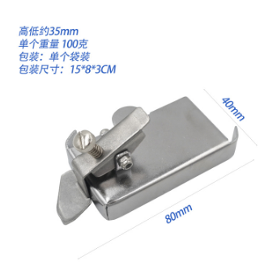 | 无样品 不拍照 | DG65100400 | 款多功能磁铁定规XIN-04 1个 |  | https://detail.1688.com/offer/742554070908.html | 6.5 | 2 |  | Features: 100% Brand New. Magnetic Seam Guide This is a third-generation magnetic seam guide, and the sewing guide plate has been upgraded with a magnetic design, which is more convenient to use. Multiple functions This sewing guide ruler set can be used for hemming, straight line sewing, buttonholes, gathering stitches, and marking cloth patterns. You can quickly complete various sewing operations. Upgrade Design This magnetic seam guide is made of environmentally friendly stainless steel material, which is durable and not easy to break. The unique transparent design allows you to see the needle position more clearly, so as to ensure the accuracy of sewing. Easy to Install This sewing machine hemming guide is easy to install and remove, and the sewing guide ruler can be firmly fixed on the sewing machine by magnetic absorption, which can save time and improve work efficiency. Application This sewing guide is suitable for various sewing machines, such as household sewing machines, overlock machines, etc. It is an ideal sewing tool for beginners, amateurs and professionals. Material: metal Color:Silver Size: 80*40mm Package list: 1 x Magnetic Seam Guide Note: 1.Please allow 0.1-2cm error due to manual measurement. 2.The color may have different as the difference display, pls understand. | https://www.aliexpress.com/item/1005006255744744.html https://www.amazon.com/dp/B0CJPRRVFR/ | 3.85 |  | 25.00 |  |  |  |  |  |  |  |  |  |  | 10.35 | 31.50 | 6.50 | 6.50 | 26.23 |  | -31.50 | #DIV/0! |  | -10.35 | #DIV/0! |  | -6.50 | #DIV/0! |  | -26.23 | #DIV/0!
5-1 | 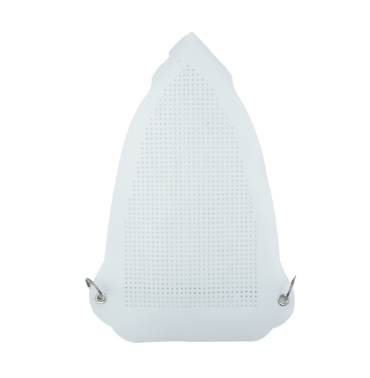 |  | DG65100501 | 万能熨斗靴 230*155 0.5MM厚度 1个 |  | https://detail.1688.com/offer/692692426804.html | 6.8 | 2 |  | Features: 100% Brand New. The amazing spring attachment is designed to fit any size of household iron. It allows high iron setting for all types of fabrics-cotton, demin, linen and even silk. Protect fabric from shine and scorch. It is easy to install Material: Plastic Color: White Size: 230*155mm Thickness: 0.5mm, 0.8mm, 1mm Package list: 1 x Iron Shoe Cover Note: 1.Please allow 0.1-2cm error due to manual measurement. 2.The color may have different as the difference display, pls understand. | https://www.aliexpress.com/item/1005005683208669.html https://www.ebay.com/itm/204326203974 https://www.amazon.com/ZARSIO-Ironing-Protective-Anti-Scorching-Electric/dp/B09XB73Z72/ | 13.81 |  | 29.35 |  |  |  |  |  | 0.055 | 0.035 | 4 | 0.6 | 20 | 21.21 | 36.75 | 7.40 | 7.40 | 29.06 |  | -36.75 | #DIV/0! |  | -21.21 | #DIV/0! |  | -7.40 | #DIV/0! |  | -29.06 | #DIV/0!
5-2 |  |  | DG65100502 | 万能熨斗靴 230*155 0.8MM厚度 1个 |  | https://detail.1688.com/offer/692692426804.html | 8.5 | 2 |  |  |  | 17.79 |  | 31.08 |  |  |  |  |  | 0.077 | 0.057 | 4 | 0.6 | 20 | 26.89 | 40.18 | 9.10 | 9.10 | 31.53 |  | -40.18 | #DIV/0! |  | -26.89 | #DIV/0! |  | -9.10 | #DIV/0! |  | -31.53 | #DIV/0!
5-3 |  |  | DG65100503 | 万能熨斗靴 230*155 1.0MM厚度 1个 |  | https://detail.1688.com/offer/692692426804.html | 9.8 | 2 |  |  |  | 19.60 |  | 6.87 |  |  |  |  |  | 0.087 | 0.067 | 4 | 0.6 | 20 | 30.00 | 17.27 | 10.40 | 10.40 | 33.18 |  | -17.27 | #DIV/0! |  | -30.00 | #DIV/0! |  | -10.40 | #DIV/0! |  | -33.18 | #DIV/0!
6 | 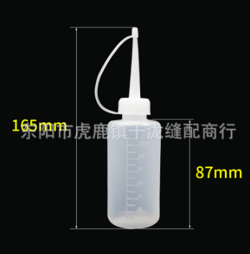 | SZ070030111892RK铁嘴油壶 | DG65100600 | 塑料油壶 120ML 2个 |  | https://detail.1688.com/offer/584520546649.html | 1.6 | 5 |  | Features: 100% Brand New. Use: Suitable for domestic, industrial sewing machines , bicycles, household appliances, power tools, tool refueling. Material: Plastic Color: White Size: 165*87mm Capacity: 120ml Package list: 2 x Plastic Oiler Note: 1.Please allow 0.1-2cm error due to manual measurement. 2.The color may have different as the difference display, pls understand. | https://www.aliexpress.com/item/1005006132543608.html https://www.ebay.com/itm/285626504658 https://www.amazon.com/Lurrose-Machine-Squeeze-Bottles-Dispensing/dp/B0CQSN68G6/ | 12.90 |  | 28.95 |  |  |  |  |  | 0.05 | 0.036 | 3 | 0.4 | 14 | 14.90 | 30.95 | 2.00 | 2.00 | 23.48 |  | -30.95 | #DIV/0! |  | -14.90 | #DIV/0! |  | -2.00 | #DIV/0! |  | -23.48 | #DIV/0!
7-1 | 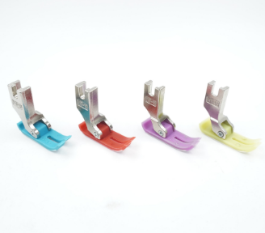 |  | DG65100701 | MT-18压脚 AA级 蓝色 1个 |  | https://detail.1688.com/offer/679014062918.html | 0.9 | 10 |  | Features: 100% Brand New. Suitable for various models and brands of sewing machines, including household and commercial sewing machines, saving users time and effort in finding specific sewing machine accessories. Can be easily installed without using any special tools. Just slide it into the correct position. This makes replacement easier and saves you time. Material: Plastic, metal Color: Blue, Red, Purple, Yellow Size:1.38*1.18*0.43in/3.5*3.0*1.1cm Package list: 1 x Sewing Machine Presser Foot Note: 1.Please allow 0.1-2cm error due to manual measurement. 2.The color may have different as the difference display, pls understand. | https://www.aliexpress.us/item/3256805701647188.html https://www.aliexpress.us/item/3256805817343930.html | 6.75 |  | 26.26 |  |  |  |  |  | 0.016 | 0.008 | 1 | 0.22 | 8 | 7.87 | 27.38 | 1.12 | 1.12 | 21.41 |  | -27.38 | #DIV/0! |  | -7.87 | #DIV/0! |  | -1.12 | #DIV/0! |  | -21.41 | #DIV/0!
7-2 |  |  | DG65100702 | MT-18压脚 AA级 红色 1个 |  | https://detail.1688.com/offer/679014062918.html | 0.9 | 10 |  |  |  | 6.75 |  | 26.26 |  |  |  |  |  | 0.016 | 0.008 | 1 | 0.22 | 8 | 7.87 | 27.38 | 1.12 | 1.12 | 21.41 |  | -27.38 | #DIV/0! |  | -7.87 | #DIV/0! |  | -1.12 | #DIV/0! |  | -21.41 | #DIV/0!
7-3 |  |  | DG65100703 | MT-18压脚 AA级 紫色 1个 |  | https://detail.1688.com/offer/679014062918.html | 0.9 | 10 |  |  |  | 6.75 |  | 26.26 |  |  |  |  |  | 0.016 | 0.008 | 1 | 0.22 | 8 | 7.87 | 27.38 | 1.12 | 1.12 | 21.41 |  | -27.38 | #DIV/0! |  | -7.87 | #DIV/0! |  | -1.12 | #DIV/0! |  | -21.41 | #DIV/0!
7-4 |  |  | DG65100704 | MT-18压脚 AA级 黄色 1个 |  | https://detail.1688.com/offer/679014062918.html | 0.9 | 10 |  |  |  | 6.75 |  | 1.26 |  |  |  |  |  | 0.016 | 0.008 | 1 | 0.22 | 8 | 7.87 | 2.38 | 1.12 | 1.12 | 21.41 |  | -2.38 | #DIV/0! |  | -7.87 | #DIV/0! |  | -1.12 | #DIV/0! |  | -21.41 | #DIV/0!
8 | 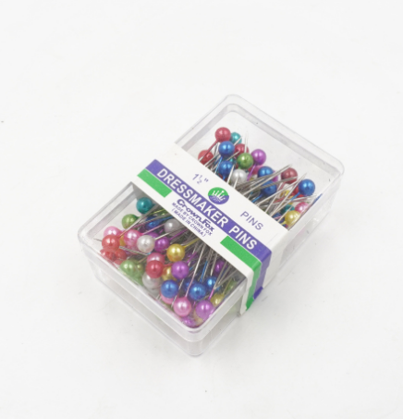 |  | DG65100800 | 多彩服装定位装饰珠光针 1盒(约100根） |  | https://detail.1688.com/offer/674641480080.html | 1 | 2 |  | Features: 100% Brand New. Sewing needle can be used for fabric, daily sewing, making or decorating craft project, wedding decoration,dressmaking, graduations, parties, DIY and so on. Meanwhile, straight pins with large heads also can be a great little kit for craft lovers.A good chioce for mothers day gift. Material: Plastic, metal Color: colorful Size: about 38mm Package list: 1box x Sewing Pins(about 100pcs) Note: 1.Please allow 0.1-2cm error due to manual measurement. 2.The color may have different as the difference display, pls understand. | https://www.aliexpress.us/item/1005005922093406.html https://www.amazon.com/Straight-Pearlized-Multicolor-Dressmaker-Decoration/dp/B09DTZLXF4/ | 8.92 |  | 27.21 |  |  |  |  |  | 0.028 | 0.02 | 1 | 0.22 | 8 | 10.14 | 28.43 | 1.22 | 1.22 | 21.93 |  | -28.43 | #DIV/0! |  | -10.14 | #DIV/0! |  | -1.22 | #DIV/0! |  | -21.93 | #DIV/0!
9 | 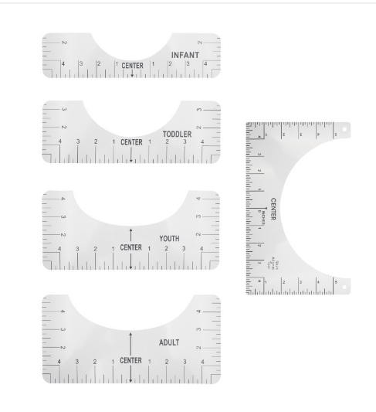 |  | DG65100900 | 圆领尺子5件套 1套 |  | https://detail.1688.com/offer/716944809827.html | 4.8 | 2 |  | Features: 100% Brand New. The surface scale of the ruler is clear, and the measurement is accurate and convenient. There are multiple styles to choose from, making measurement more convenient. Fine workmanship, wide practicality, and can be used for measurement and painting. Material: PVC Color: colorful Width: about 6.4cm, 8.9cm, 11.4cm, 12.7cm, 15.4cm Length: 25.4cm Package list: 1set/5pcs x Alignment Rulers Note: 1.Please allow 0.1-2cm error due to manual measurement. 2.The color may have different as the difference display, pls understand. | https://www.aliexpress.us/item/1005005950156391.html https://www.ebay.com/itm/355028662030 https://www.amazon.com/Transparent-Alignment-Designs-Multiple-Including/dp/B09BK5Z5P8/ | 21.05 |  | 32.51 |  |  |  |  |  | 0.095 | 0.075 | 4 | 0.6 | 20 | 26.45 | 37.91 | 5.40 | 5.40 | 28.46 |  | -37.91 | #DIV/0! |  | -26.45 | #DIV/0! |  | -5.40 | #DIV/0! |  | -28.46 | #DIV/0!
10 | 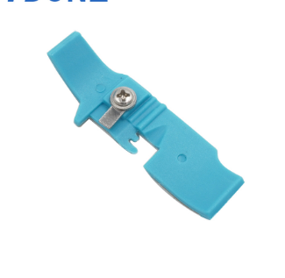 |  | DG65100A00 | 747包缝机塑料压脚底板 1个 |  | https://detail.1688.com/offer/679348627152.html | 1.5 | 5 | 62.5*17mm | Features: 100% Brand New. Presser foot bottom se for pegasus and siruba Plastic presser foot leather four-line sewing machine, jack edging machine, plastic presser foot sticker, Zhongjie industrial overlock sewing machine, bone car Material: plastic Color: Blue Size: about 60*16mm Package list: 1 x Presser Foot Bottom Note: 1.Please allow 0.1-2cm error due to manual measurement. 2.The color may have different as the difference display, pls understand. | https://www.aliexpress.us/item/1005006162548915.html https://www.aliexpress.us/item/3256805468010047.html | 6.20 |  | 26.03 |  |  |  |  |  | 0.013 | 0.005 | 1 | 0.22 | 8 | 7.92 | 27.75 | 1.72 | 1.72 | 21.91 |  | -27.75 | #DIV/0! |  | -7.92 | #DIV/0! |  | -1.72 | #DIV/0! |  | -21.91 | #DIV/0!
11 | 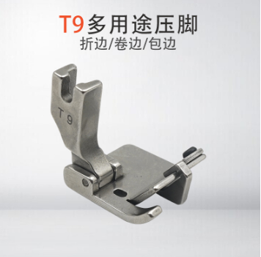 |  | DG65100B00 | 平车T9万能压脚 1个 |  | https://detail.1688.com/offer/729992146217.html | 6.5 | 2 |  | Features: 100% Brand New. This Is A New Multifunctional Presser Foot For Single-Needle Industrial Lockstitch Sewing Machines. It Can Be Used As Hemming/Folding/Rolling Presser Foot. Material: Steel Color: Silver Size: about 3*2.5cm Package list: 1 x T9 Adjustable Edge Guide Hemmer Foot Note: 1.Please allow 0.1-2cm error due to manual measurement. 2.The color may have different as the difference display, pls understand. | https://www.aliexpress.com/item/1005006105766350.html https://www.amazon.com/Fbshicung-Adjustable-T9-Multifunctional-Industrial/dp/B0CB46KX37/ https://www.ebay.com/itm/314942789997 | 10.00 |  | 2.69 |  |  |  |  |  | 0.034 | 0.026 | 1 | 0.22 | 8 | 16.72 | 9.41 | 6.72 | 6.72 | 27.64 |  | -9.41 | #DIV/0! |  | -16.72 | #DIV/0! |  | -6.72 | #DIV/0! |  | -27.64 | #DIV/0!
12 | 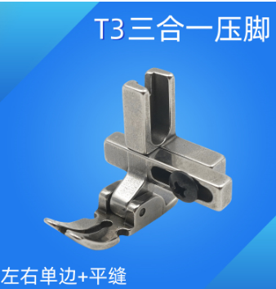 |  | DG65100C00 | T3三合一压脚 1个 |  | https://detail.1688.com/offer/722413261934.html | 6.5 | 2 |  | Features: 100% Brand New. Three in One Multifunctional Presser Foot T3,Regular presser foot;Left unilateral presser foot; Right unilateral presser foot Screws adjustable to left and right,With the ability to adjust the position of the needle for left, center, or right-sided sewing. Ideal for a wide range of sewing projects, from fabrics of different thicknesses to delicate and intricate designs. Material: Steel Color: Silver Package list: 1 x Three in One Multifunctional Presser Foot Note: 1.Please allow 0.1-2cm error due to manual measurement. 2.The color may have different as the difference display, pls understand. | https://www.aliexpress.com/item/1005006140542840.html https://www.amazon.com/Fbshicung-T3-Adjustable-Lockstitch-Accessories/dp/B0C5D8T4DG/ https://www.ebay.com/itm/314937030399 | 10.19 |  | 27.77 |  |  |  |  |  | 0.035 | 0.027 | 1 | 0.22 | 8 | 16.91 | 34.49 | 6.72 | 6.72 | 27.68 |  | -34.49 | #DIV/0! |  | -16.91 | #DIV/0! |  | -6.72 | #DIV/0! |  | -27.68 | #DIV/0!
13 | 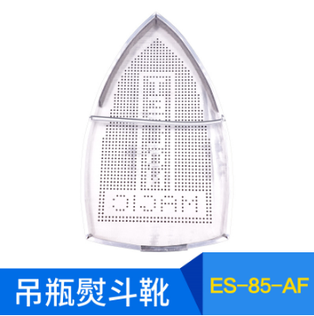 |  | DG65100D00 | ES-85-AF熨斗靴94A 94B用 1个 |  | https://detail.1688.com/offer/587498095031.html | 6.2 | 2 | 21.5*12.5cm 内205*122mm | Features: 100% Brand New. Made from natural for and aluminum composite, safe and durable. Perfect for garment enterprises, garment factories and household, use auxiliary iron. For thick iron sets, iron sets in ironing clothes shiny and damage prevention. Suitable for ironing all kinds of sensitive materials, such as wool, cotton, silk, etc. Pores designed to ensure smooth flow of steam throughout the bottom, evenly distributed Material: aluminum Internal diameter size:20.5x12.2cm(approx) Package list: 1 x Iron Shoe Note: 1.Please allow 0.1-2cm error due to manual measurement. 2.The color may have different as the difference display, pls understand. | https://www.aliexpress.com/item/1713261396.html https://www.amazon.com/YICBOR-ES-85-AF-ES-94AL-ES-300L-Ironing/dp/B07Z4DZPPN/ | 23.04 |  | 33.37 |  |  |  |  |  | 0.106 | 0.086 | 4 | 0.6 | 20 | 29.84 | 40.17 | 6.80 | 6.80 | 30.24 |  | -40.17 | #DIV/0! |  | -29.84 | #DIV/0! |  | -6.80 | #DIV/0! |  | -30.24 | #DIV/0!
14 | 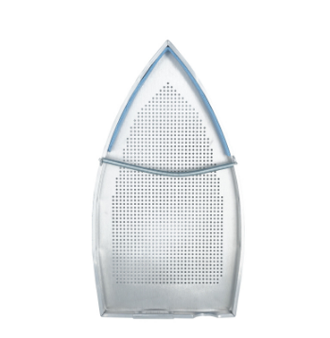 |  | DG65100E00 | STB-200 硅胶条款蒸汽式熨斗靴 1个 |  | https://detail.1688.com/offer/707529302081.html | 7 | 2 | 235*125mm 熨斗靴内径 224*122MM | Features: 100% Brand New. Made from natural for and aluminum composite, safe and durable. Perfect for garment enterprises, garment factories and household, use auxiliary iron. For thick iron sets, iron sets in ironing clothes shiny and damage prevention. Suitable for ironing all kinds of sensitive materials, such as wool, cotton, silk, etc. Pores designed to ensure smooth flow of steam throughout the bottom, evenly distributed Material: aluminum Internal diameter size:22.4x12.2cm(approx) Package list: 1 x Iron Shoe Note: 1.Please allow 0.1-2cm error due to manual measurement. 2.The color may have different as the difference display, pls understand. | https://www.aliexpress.com/item/1005006470039630.html | 24.67 |  | 34.09 |  |  |  |  |  | 0.115 | 0.095 | 4 | 0.6 | 20 | 32.27 | 41.69 | 7.60 | 7.60 | 31.36 |  | -41.69 | #DIV/0! |  | -32.27 | #DIV/0! |  | -7.60 | #DIV/0! |  | -31.36 | #DIV/0!
15-1 | 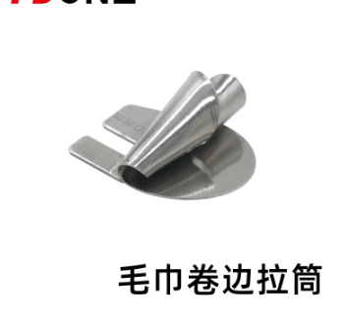 |  | DG65100F01 | 螺旋状卷边器 3mm 1个 | https://detail.1688.com/offer/722008980908.html | https://detail.1688.com/offer/652201477438.html | 4 | 2 |  | Features: 100% Brand New. The unique curled shape of the Hemming Foot makes it ideal for folding fabric edges, making hemmed projects a breeze. It helps to sew straight or curved seams with fewer mistakes, perfect for professional garment makers and home sewing enthusiasts alike This hemmer attachment is for home and commercial use. To confirm this hemmer attachment will work on your machine, make sure there is one hole in the needle plate. Available in multiple sizes, you can choose a hemming foot ranging from 3mm to 10mm to suit your needs. Our hemming foot is made of high-quality stainless steel, ensuring durability and longevity. Material: stainless steel Size: 3mm, 4mm, 5mm, 6mm, 7mm, 8mm, 9mm, 10mm Package list: 1 x Hemming Foot Note: 1.Please allow 0.1-2cm error due to manual measurement. 2.The color may have different as the difference display, pls understand. | https://www.aliexpress.com/item/1005006209292961.html https://www.aliexpress.com/item/1005006208898928.html https://www.amazon.com/dp/B0CN4464KB/ https://www.amazon.com/Sewing-Rolled-3mm-8mm-Machine-Presser/dp/B0CN7C2J7B/ | 6.75 |  | 26.26 |  |  |  |  |  | 0.016 | 0.008 | 1 | 0.22 | 8 | 10.97 | 30.48 | 4.22 | 4.22 | 24.51 |  | -30.48 | #DIV/0! |  | -10.97 | #DIV/0! |  | -4.22 | #DIV/0! |  | -24.51 | #DIV/0!
15-2 |  |  | DG65100F02 | 螺旋状卷边器 4mm 1个 | https://detail.1688.com/offer/747891834988.html | https://detail.1688.com/offer/652201477438.html | 4 | 2 |  |  |  | 6.75 |  | 26.26 |  |  |  |  |  | 0.016 | 0.008 | 1 | 0.22 | 8 | 10.97 | 30.48 | 4.22 | 4.22 | 24.51 |  | -30.48 | #DIV/0! |  | -10.97 | #DIV/0! |  | -4.22 | #DIV/0! |  | -24.51 | #DIV/0!
15-3 |  |  | DG65100F03 | 螺旋状卷边器 5mm 1个 |  | https://detail.1688.com/offer/652201477438.html | 4 | 2 |  |  |  | 7.11 |  | 26.42 |  |  |  |  |  | 0.018 | 0.01 | 1 | 0.22 | 8 | 11.33 | 30.64 | 4.22 | 4.22 | 24.58 |  | -30.64 | #DIV/0! |  | -11.33 | #DIV/0! |  | -4.22 | #DIV/0! |  | -24.58 | #DIV/0!
15-4 |  |  | DG65100F04 | 螺旋状卷边器 6mm 1个 |  | https://detail.1688.com/offer/652201477438.html | 4 | 2 |  |  |  | 7.11 |  | 26.42 |  |  |  |  |  | 0.018 | 0.01 | 1 | 0.22 | 8 | 11.33 | 30.64 | 4.22 | 4.22 | 24.58 |  | -30.64 | #DIV/0! |  | -11.33 | #DIV/0! |  | -4.22 | #DIV/0! |  | -24.58 | #DIV/0!
15-5 |  |  | DG65100F05 | 螺旋状卷边器 7mm 1个 |  | https://detail.1688.com/offer/652201477438.html | 4 | 2 |  |  |  | 7.29 |  | 26.50 |  |  |  |  |  | 0.019 | 0.01 | 1 | 0.22 | 8 | 11.51 | 30.72 | 4.22 | 4.22 | 24.62 |  | -30.72 | #DIV/0! |  | -11.51 | #DIV/0! |  | -4.22 | #DIV/0! |  | -24.62 | #DIV/0!
15-6 |  |  | DG65100F06 | 螺旋状卷边器 8mm 1个 |  | https://detail.1688.com/offer/652201477438.html | 4 | 2 |  |  |  | 7.29 |  | 26.50 |  |  |  |  |  | 0.019 | 0.011 | 1 | 0.22 | 8 | 11.51 | 30.72 | 4.22 | 4.22 | 24.62 |  | -30.72 | #DIV/0! |  | -11.51 | #DIV/0! |  | -4.22 | #DIV/0! |  | -24.62 | #DIV/0!
15-7 |  |  | DG65100F07 | 螺旋状卷边器 9mm 1个 |  | https://detail.1688.com/offer/652201477438.html | 4 | 2 |  |  |  | 7.47 |  | 26.58 |  |  |  |  |  | 0.02 | 0.012 | 1 | 0.22 | 8 | 11.69 | 30.80 | 4.22 | 4.22 | 24.65 |  | -30.80 | #DIV/0! |  | -11.69 | #DIV/0! |  | -4.22 | #DIV/0! |  | -24.65 | #DIV/0!
15-8 |  |  | DG65100F08 | 螺旋状卷边器 10mm 1个 |  | https://detail.1688.com/offer/652201477438.html | 4 | 2 |  |  |  | 7.47 |  | 26.58 |  |  |  |  |  | 0.02 | 0.012 | 1 | 0.22 | 8 | 11.69 | 30.80 | 4.22 | 4.22 | 24.65 |  | -30.80 | #DIV/0! |  | -11.69 | #DIV/0! |  | -4.22 | #DIV/0! |  | -24.65 | #DIV/0!
16-1 | 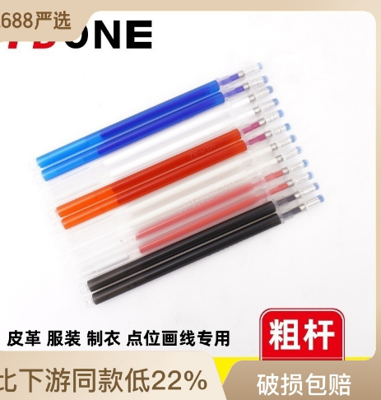 |  | DG65100G01 | 高温笔 粗杆蓝色 10支 |  | https://detail.1688.com/offer/584335584007.html | 1.4 | 10 |  | Features: 100% Brand New. The pens are suitable for sewing, stitching, embroidery, and other craft projects. The transparent design allows you to see what is inside and quickly find what you need. Use:leather-specific, for drawing lines, marking. Disappear refills Instructions for use: 1: the temperature reaches about 60 degrees automatically disappear 2: for footwear, clothing, leather temporary crossed mark with 3: The use of high hardness steel head, improve the marking effect, durable 4: white used in deep leather, red used in the light leather 5.This refill is about 11cm, Material: stainless steel Color: Blue, Dark Red, White, Black, Red, Creamy White Package list: 10 x Erasable Refill Pens Note: 1.Please allow 0.1-2cm error due to manual measurement. 2.The color may have different as the difference display, pls understand. | https://www.aliexpress.us/item/2251832829700318.html https://www.ebay.com/itm/254223106136 | 8.74 |  | 27.13 |  |  |  |  |  | 0.027 | 0.019 | 1 | 0.22 | 8 | 10.36 | 28.75 | 1.62 | 1.62 | 22.30 |  | -28.75 | #DIV/0! |  | -10.36 | #DIV/0! |  | -1.62 | #DIV/0! |  | -22.30 | #DIV/0!
16-2 |  |  | DG65100G02 | 高温笔 粗杆玖红色 10支 |  | https://detail.1688.com/offer/584335584007.html | 1.4 | 10 |  |  |  | 8.74 |  | 27.13 |  |  |  |  |  | 0.027 | 0.019 | 1 | 0.22 | 8 | 10.36 | 28.75 | 1.62 | 1.62 | 22.30 |  | -28.75 | #DIV/0! |  | -10.36 | #DIV/0! |  | -1.62 | #DIV/0! |  | -22.30 | #DIV/0!
16-3 |  |  | DG65100G03 | 高温笔 粗杆白色 10支 |  | https://detail.1688.com/offer/584335584007.html | 1.4 | 10 |  |  |  | 8.74 |  | 27.13 |  |  |  |  |  | 0.027 | 0.019 | 1 | 0.22 | 8 | 10.36 | 28.75 | 1.62 | 1.62 | 22.30 |  | -28.75 | #DIV/0! |  | -10.36 | #DIV/0! |  | -1.62 | #DIV/0! |  | -22.30 | #DIV/0!
16-4 |  |  | DG65100G04 | 高温笔 粗杆黑色 10支 |  | https://detail.1688.com/offer/584335584007.html | 1.4 | 10 |  |  |  | 8.74 |  | 27.13 |  |  |  |  |  | 0.027 | 0.019 | 1 | 0.22 | 8 | 10.36 | 28.75 | 1.62 | 1.62 | 22.30 |  | -28.75 | #DIV/0! |  | -10.36 | #DIV/0! |  | -1.62 | #DIV/0! |  | -22.30 | #DIV/0!
16-5 |  |  | DG65100G05 | 高温笔 粗杆大红色 10支 |  | https://detail.1688.com/offer/584335584007.html | 1.4 | 10 |  |  |  | 8.74 |  | 27.13 |  |  |  |  |  | 0.027 | 0.019 | 1 | 0.22 | 8 | 10.36 | 28.75 | 1.62 | 1.62 | 22.30 |  | -28.75 | #DIV/0! |  | -10.36 | #DIV/0! |  | -1.62 | #DIV/0! |  | -22.30 | #DIV/0!
16-6 |  |  | DG65100G06 | 高温笔 粗杆米白色 10支 |  | https://detail.1688.com/offer/584335584007.html | 1.4 | 10 |  |  |  | 8.74 |  | 27.13 |  |  |  |  |  | 0.027 | 0.019 | 1 | 0.22 | 8 | 10.36 | 28.75 | 1.62 | 1.62 | 22.30 |  | -28.75 | #DIV/0! |  | -10.36 | #DIV/0! |  | -1.62 | #DIV/0! |  | -22.30 | #DIV/0!
17 | 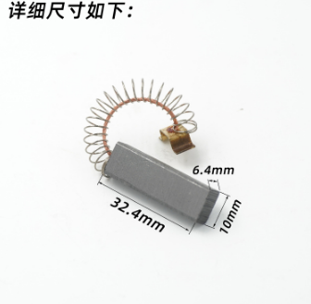 |  | DG65100H00 | 剪线机碳刷4117 1件（2个） |  | https://detail.1688.com/offer/652905555531.html | 2.5 | 10 |  | Features: 100% Brand New. Effortless install: The installation is very simple, just put the carbon brush into the suction cup and press the button to complete the installation. Multi applications: The carbon brush can be used to clean a variety of household appliances, such as kitchens, bathrooms, bedrooms, offices, etc. Material: Carbon & Metal Size: 32.4*10*6.4mm Package list: 2 x Carbon brush Note: 1.Please allow 0.1-2cm error due to manual measurement. 2.The color may have different as the difference display, pls understand. | https://www.aliexpress.com/item/1005002597877217.html | 7.29 |  | 26.50 |  |  |  |  |  | 0.019 | 0.011 | 1 | 0.22 | 8 | 10.01 | 29.22 | 2.72 | 2.72 | 23.12 |  | -29.22 | #DIV/0! |  | -10.01 | #DIV/0! |  | -2.72 | #DIV/0! |  | -23.12 | #DIV/0!
18 | 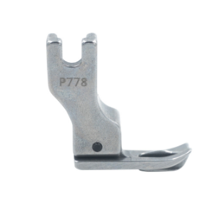 |  | DG65100I00 | 平车上衣领压脚P778 1个 |  | https://detail.1688.com/offer/706641613096.html | 9 | 2 | 33*32*11mm | Features: 100% Brand New. Application: industrial flat car / computer flat car universal Compatibility This high quality Upper Collar Presser Foot replacement is exactly compatible with Many High Shank Industrial Single Needle Sewing Machines, including (many not listed): ARTISAN: 196R 5550N 8500N ZJ-100 BROTHER: DB2-B705 DB2-B707 DB2-B715 DB2-B716 DB2-B735 DB2-B737 DB2-B738 DB2-B745 DB2-B755 DB2-B757 DB2-B758 DB2-B767 DB2-B781 PQ1300 PQ1500 S-7100A S-7200C S-7220C S-7250A S-7300A COLUMBIA: N430 CONSEW: 30 98 99 102 103 105 210 217 218 219 220 290 310 2230 7360R-1 CUTLINE: C220 CUTSEW: 777 787 FEIYUE: FY8500 FY8700 GEMSY: 8700 JUKI: DDL-127 DDL-227 DDL-500 DDL-501 DDL-552 DDL-553 DDL-555 DDL-5550 DDL-5600 DDL-8300 DDL-8500 DDL-8700 DDL-9000 ,TL-15, TL-18QVP, TL-2000Qi, TL-2010Q, TL-98E, TL-98P, TL-98Q, TL-98QE MITSUBISHI: DB-120 DB-121 DB-122 DB-126 DB-130 DB-170 DB-189 DB-199 LS2-130 LS2-150 LS2-180 LS2-190 LS2-1130 NECCHI: SUPERNOVA JULIA RELIABLE: MSK-8800 MSK-8550M MSK-8870M REX: RX8500 RICCAR: RD-102 SINGER: 20U 31-15 44 95 96 120U 121C 121D 188K 191D 195K 196K 241 251 281 366K 400W 402W 451K 491D 591D 600W 660A 691D 770D 771D 1191D 1591D 2191 2491D SUNSEW: GC1130 GC5550 GC6180 GC8500 GC-B735 GC-C111 SUNSTAR: KM-123A KM-123B KM-137A KM-137B KM-146BL KM-250 TACSEW: 5550 T8700 TAIKO: TK-505 TK-510 TOYOTA: AD156 AD157 AD338 D146 D147 D347 D348 D1422-42 D2432 TYPICAL: GC6-1-D3E2 GC6150B GC6150H GC6150M GC6160D3 GC6195M UNICORN: LS2-H520 LS2-H530 LS2-H5100 LS2-H5200 LS2-H5300 YAMATA: FY8500 FY8700 ZOJE: ZJ15-1 ZJ80-1 ZJ90-1 ZJ999-1 ZJ999-5 ZJ5580 ZJ5580-D3 ZJ8500-D3 ZJ8500N Material: steel Size: about 33*32*11mm Package list: 1 x Collar Presser Foot Note: 1.Please allow 0.1-2cm error due to manual measurement. 2.The color may have different as the difference display, pls understand. | https://www.aliexpress.com/item/1005005820359082.html https://www.ebay.com/itm/155687328109 | 8.92 |  | 27.21 |  |  |  |  |  | 0.028 | 0.02 | 1 | 0.22 | 8 | 18.14 | 36.43 | 9.22 | 9.22 | 29.93 |  | -36.43 | #DIV/0! |  | -18.14 | #DIV/0! |  | -9.22 | #DIV/0! |  | -29.93 | #DIV/0!
19 | 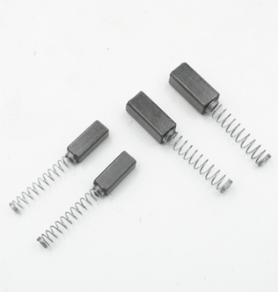 |  | DG65100J00 | 5.5*6*12mm 250W碳刷5对（10个） |  | https://detail.1688.com/offer/736864090616.html | 2 | 2 | 5.5*6*12mm | Features: 100% Brand New. Fits for many kinds of home sewing machines: Singer, New Home, Elna, Kenmore, etc. Material: Carbon & Metal Size: about 5.5*6*12mm Package list: 10 x Carbon brush Note: 1.Please allow 0.1-2cm error due to manual measurement. 2.The color may have different as the difference display, pls understand. | https://www.aliexpress.com/item/1005003741183867.html https://www.ebay.com/itm/165963858903 | 6.20 |  | 26.03 |  |  |  |  |  | 0.013 | 0.005 | 1 | 0.22 | 8 | 8.42 | 28.25 | 2.22 | 2.22 | 22.41 |  | -28.25 | #DIV/0! |  | -8.42 | #DIV/0! |  | -2.22 | #DIV/0! |  | -22.41 | #DIV/0!
20 | 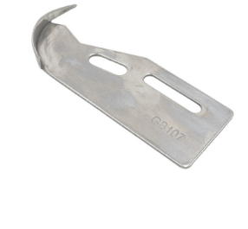 |  | DG65100K00 | GB107定位 1个 |  | https://detail.1688.com/offer/678331836279.html | 4.5 | 2 | 71*31mm | Features: 100% Brand New. Fits for SINGER 457 Material: Metal Size: about 71*31mm Package list: 1 x SEWING GAUGE Note: 1.Please allow 0.1-2cm error due to manual measurement. 2.The color may have different as the difference display, pls understand. | https://www.aliexpress.com/item/32605857111.html | 7.65 |  | 26.66 |  |  |  |  |  | 0.021 | 0.013 | 1 | 0.22 | 8 | 12.37 | 31.38 | 4.72 | 4.72 | 25.19 |  | -31.38 | #DIV/0! |  | -12.37 | #DIV/0! |  | -4.72 | #DIV/0! |  | -25.19 | #DIV/0!
21 | 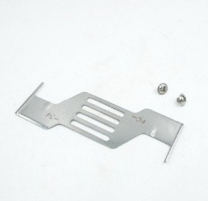 |  | DG65100L00 | 新款落坑暗线止口定规 1个（2个螺丝） |  | https://detail.1688.com/offer/692560833552.html | 4 | 2 | 100*42mm | Features: 100% Brand New. Very convenient for beginner. Suitable for most sewing machine. Material: steel Size: about 100*42mm Package list: 1 x Seam Guider Note: 1.Please allow 0.1-2cm error due to manual measurement. 2.The color may have different as the difference display, pls understand. | https://www.aliexpress.com/item/1005005758061814.html https://www.aliexpress.com/item/1005005734097106.html | 8.01 |  | 26.82 |  |  |  |  |  | 0.023 | 0.015 | 1 | 0.22 | 8 | 12.23 | 31.04 | 4.22 | 4.22 | 24.76 |  | -31.04 | #DIV/0! |  | -12.23 | #DIV/0! |  | -4.22 | #DIV/0! |  | -24.76 | #DIV/0!
22 | 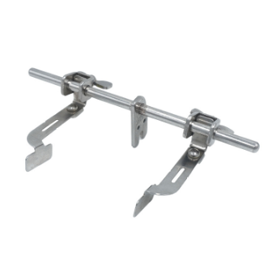 |  | DG65100M00 | 电脑平车双挡边飞机定规 1个 |  | https://detail.1688.com/offer/692827718477.html | 6 | 2 |  | Features: 100% Brand New. Double guide stitch ruler. This new design stitch ruler have guide on both left and right side. You can use the left or right guide separately,you can also use them together while sewing. This listing is for 1pcs double guide stitch ruler. A great helper for beginner in sewing a straight line or circle line track. Material: Metal Size: about 12.5*6.5cm/4.92*2.56in Package list: 1 x Seam Edge Guidance Gauge Note: 1.Please allow 0.1-2cm error due to manual measurement. 2.The color may have different as the difference display, pls understand. | https://www.aliexpress.com/item/1005006084346568.html https://www.aliexpress.com/item/1005006036117186.html https://www.ebay.com/itm/381308242650 | 14.17 |  | 29.50 |  |  |  |  |  | 0.057 | 0.049 | 1 | 0.22 | 8 | 20.39 | 35.72 | 6.22 | 6.22 | 27.95 |  | -35.72 | #DIV/0! |  | -20.39 | #DIV/0! |  | -6.22 | #DIV/0! |  | -27.95 | #DIV/0!
23-1 | 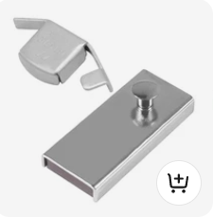 |  | SZ070030114107RK-M2（SZ070030114107RK +SZ070030111748RK-1） | MG1定规 1个+缝纫机磁铁定规小号 1个 |  |  | 3.1 | 0 | 44*18mm | Features: 100% Brand New. Sewing machine accessories: these sewing machine seam gauges can make your stitches well, even along straight edges, a practical helper in sewing a straight line or circle line, and help organize the fabric for straighter, more exact, uniform seam lines. Wide range of applications: sewing magnetic guide are suitable for most kinds of industrial sewing machine, clothing industry and domestic sewing work, etc., which can meet your multiple needs. Durable to use: the material of the magnetic seam guide is magnet and metal, the powerful built-in magnet permits ready mounting and dismounting, more powerful magnets, fixed more firmly, reliable guide for setting seam allowances and sewing straight lines, durable to serve you for long time. Material: Metal Color: Silver Size: about 44*18mm, 52*22mm Package list: 2pcs/set x Magnetic Seam Guide Note: 1.Please allow 0.1-2cm error due to manual measurement. 2.The color may have different as the difference display, pls understand. | https://www.aliexpress.us/item/3256805206379922.html https://www.amazon.com/Magnetic-Sewing-Machine-Accessories-Magnets/dp/B09T6BK786/ | 16.16 |  | 30.37 |  |  |  |  |  | 0.068 | 0.06 | 1 | 0.22 | 8 | 19.48 | 33.69 | 3.32 | 3.32 | 25.43 |  | -33.69 | #DIV/0! |  | -19.48 | #DIV/0! |  | -3.32 | #DIV/0! |  | -25.43 | #DIV/0!
23-2 | 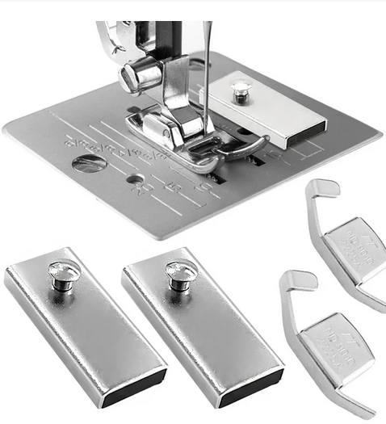 |  | SZ070030114107RK-M4（2个SZ070030114107RK +2个SZ070030111748RK-1） | MG1定规 2个+缝纫机磁铁定规小号 2个 |  |  | 6.2 | 0 |  | Features: 100% Brand New. Sewing machine accessories: these sewing machine seam gauges can make your stitches well, even along straight edges, a practical helper in sewing a straight line or circle line, and help organize the fabric for straighter, more exact, uniform seam lines. Wide range of applications: sewing magnetic guide are suitable for most kinds of industrial sewing machine, clothing industry and domestic sewing work, etc., which can meet your multiple needs. Durable to use: the material of the magnetic seam guide is magnet and metal, the powerful built-in magnet permits ready mounting and dismounting, more powerful magnets, fixed more firmly, reliable guide for setting seam allowances and sewing straight lines, durable to serve you for long time. Material: Metal Color: Silver Size: about 44*18mm, 52*22mm Package list: 4pcs/set x Magnetic Seam Guide Note: 1.Please allow 0.1-2cm error due to manual measurement. 2.The color may have different as the difference display, pls understand. | https://www.aliexpress.us/item/3256805206379922.html | 27.02 |  | 35.11 |  |  |  |  |  | 0.128 | 0.12 | 1 | 0.22 | 8 | 33.44 | 41.53 | 6.42 | 6.42 | 30.63 |  | -41.53 | #DIV/0! |  | -33.44 | #DIV/0! |  | -6.42 | #DIV/0! |  | -30.63 | #DIV/0!
24-1 | 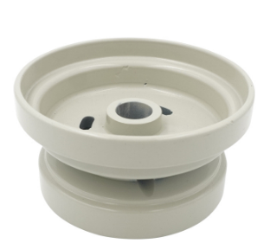 |  | DG65100N01 | 8700手轮 |  | https://detail.1688.com/offer/739664084638.html | 10 | 2 | 大圈直径：95MM 小圈直径：80MM 厚48mm |  | https://www.aliexpress.us/item/2251832781728718.html | 34.62 |  | 38.43 |  |  |  |  |  | 0.17 | 0.16 | 2 | 0.26 | 10 | 44.88 | 48.69 | 10.26 | 10.26 | 35.94 |  | -48.69 | #DIV/0! |  | -44.88 | #DIV/0! |  | -10.26 | #DIV/0! |  | -35.94 | #DIV/0!
24-2 | 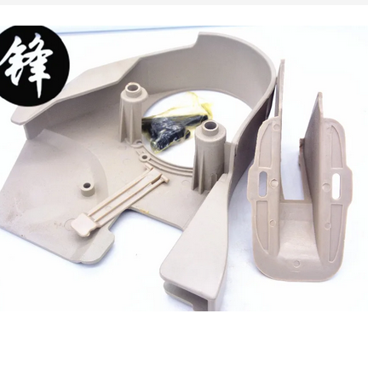 |  | DG65100N02 | 8700皮带罩 |  | https://detail.1688.com/offer/739664084638.html | 7 | 2 |  | Features: 100% Brand New. FOR JUKI DDL8500/8700 SEWING MACHINE Fit for JUKI sewing machine models: DDL-5530N SERIES, DDL-5550N SERIES, DLN-5410 SERIES, DDL-8300, DDL-8500, DDL-8500-7, DDL-8700, DU-1181N. Material: Metal plastic Color: Grey Size: wheel diameter about 95mm and 80mm Package list: 1 x Hand Wheel or 1 x Belt Cover Note: 1.Please allow 0.1-2cm error due to manual measurement. 2.The color may have different as the difference display, pls understand. | https://www.aliexpress.us/item/2252799818410370.html https://www.aliexpress.us/item/2252799818540952.html | 52.36 |  | 46.17 |  |  |  |  |  | 0.268 | 0.23 | 1 | 1 | 38 | 60.36 | 54.17 | 8.00 | 8.00 | 37.11 |  | -54.17 | #DIV/0! |  | -60.36 | #DIV/0! |  | -8.00 | #DIV/0! |  | -37.11 | #DIV/0!
 | 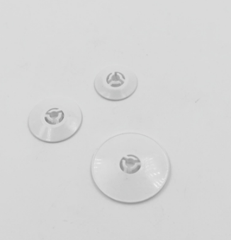 |  | 以下暂不做 | 绣花机线架线盘 小 | 凯马 | https://detail.1688.com/offer/739450700613.html |  |  |  |  | https://www.aliexpress.com/item/1005006141813828.html | 3.85 |  | 25.00 |  |  |  |  |  |  |  |  |  |  | 3.85 | 25.00 | 0.00 | 0.00 | 19.73 |  | -25.00 | #DIV/0! |  | -3.85 | #DIV/0! |  | 0.00 | #DIV/0! |  | -19.73 | #DIV/0!
 |  |  |  | 绣花机线架线盘 中 |  | https://detail.1688.com/offer/739450700613.html |  |  |  |  |  | 3.85 |  | 25.00 |  |  |  |  |  |  |  |  |  |  | 3.85 | 25.00 | 0.00 | 0.00 | 19.73 |  | -25.00 | #DIV/0! |  | -3.85 | #DIV/0! |  | 0.00 | #DIV/0! |  | -19.73 | #DIV/0!
 |  |  |  | 绣花机线架线盘 大 |  | https://detail.1688.com/offer/739450700613.html |  |  |  |  |  | 3.85 |  | 25.00 |  |  |  |  |  |  |  |  |  |  | 3.85 | 25.00 | 0.00 | 0.00 | 19.73 |  | -25.00 | #DIV/0! |  | -3.85 | #DIV/0! |  | 0.00 | #DIV/0! |  | -19.73 | #DIV/0!
 | 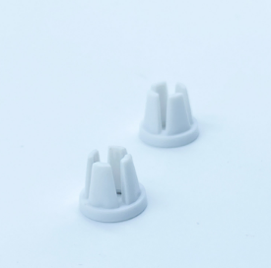 |  |  | TA10943209S |  | https://detail.1688.com/offer/724902570158.html | 9.41 |  |  |  | https://www.aliexpress.com/item/1005001616904861.html | 3.85 |  | 25.00 |  |  |  |  |  |  |  |  |  |  | 13.26 | 34.41 | 9.41 | 9.41 | 29.14 |  | -34.41 | #DIV/0! |  | -13.26 | #DIV/0! |  | -9.41 | #DIV/0! |  | -29.14 | #DIV/0!
 | 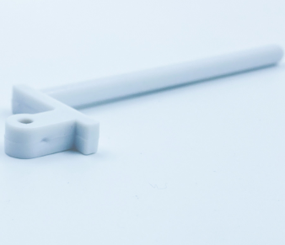 |  |  | V610443210胜家插线钉 |  | https://detail.1688.com/offer/724902570158.html | 9.41 |  |  |  | https://www.aliexpress.com/item/1005004691838735.html | 3.85 |  | 25.00 |  |  |  |  |  |  |  |  |  |  | 13.26 | 34.41 | 9.41 | 9.41 | 29.14 |  | -34.41 | #DIV/0! |  | -13.26 | #DIV/0! |  | -9.41 | #DIV/0! |  | -29.14 | #DIV/0!
 | 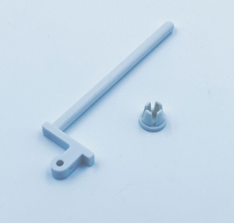 |  |  | 一套 |  | https://detail.1688.com/offer/724902570158.html | 17.1 |  |  |  | https://www.aliexpress.com/item/1005004691838735.html | 3.85 |  | 25.00 |  |  |  |  |  |  |  |  |  |  | 20.95 | 42.10 | 17.10 | 17.10 | 36.83 |  | -42.10 | #DIV/0! |  | -20.95 | #DIV/0! |  | -17.10 | #DIV/0! |  | -36.83 | #DIV/0!
 |  |  |  |  |  |  |  |  |  |  |  | 3.85 |  | 25.00 |  |  |  |  |  |  |  |  |  |  | 3.85 | 25.00 | 0.00 | 0.00 | 19.73 |  | -25.00 | #DIV/0! |  | -3.85 | #DIV/0! |  | 0.00 | #DIV/0! |  | -19.73 | #DIV/0!
 |  |  |  |  |  |  |  |  |  |  |  | 3.85 |  | 25.00 |  |  |  |  |  |  |  |  |  |  | 3.85 | 25.00 | 0.00 | 0.00 | 19.73 |  | -25.00 | #DIV/0! |  | -3.85 | #DIV/0! |  | 0.00 | #DIV/0! |  | -19.73 | #DIV/0!
 |  |  |  |  |  |  |  |  |  |  |  | 3.85 |  | 25.00 |  |  |  |  |  |  |  |  |  |  | 3.85 | 25.00 | 0.00 | 0.00 | 19.73 |  | -25.00 | #DIV/0! |  | -3.85 | #DIV/0! |  | 0.00 | #DIV/0! |  | -19.73 | #DIV/0!
 |  |  |  |  |  |  |  |  |  |  |  | 3.85 |  | 25.00 |  |  |  |  |  |  |  |  |  |  | 3.85 | 25.00 | 0.00 | 0.00 | 19.73 |  | -25.00 | #DIV/0! |  | -3.85 | #DIV/0! |  | 0.00 | #DIV/0! |  | -19.73 | #DIV/0!
 |  |  |  |  |  |  |  |  |  |  |  | 3.85 |  | 25.00 |  |  |  |  |  |  |  |  |  |  | 3.85 | 25.00 | 0.00 | 0.00 | 19.73 |  | -25.00 | #DIV/0! |  | -3.85 | #DIV/0! |  | 0.00 | #DIV/0! |  | -19.73 | #DIV/0!
 |  |  |  |  |  |  |  |  |  |  |  | 3.85 |  | 25.00 |  |  |  |  |  |  |  |  |  |  | 3.85 | 25.00 | 0.00 | 0.00 | 19.73 |  | -25.00 | #DIV/0! |  | -3.85 | #DIV/0! |  | 0.00 | #DIV/0! |  | -19.73 | #DIV/0!

